Sheet1
 | Graph | Status | Image | Settings | Date
1 | 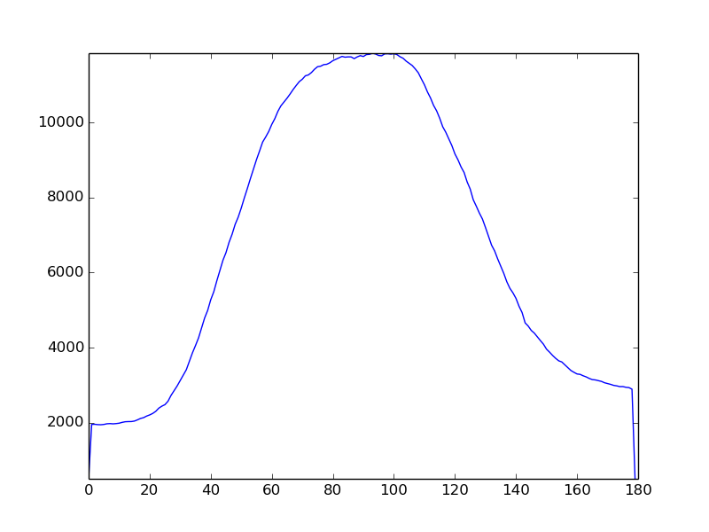 | not_drunk |  | {'y2': 939, 'angle': 9.0, 'sensetivity': 615, 'flip': False, 'x2': 359, 'y1': 794, 'x1': 46} | 2019-12-10 19:40:26.263752
2 | 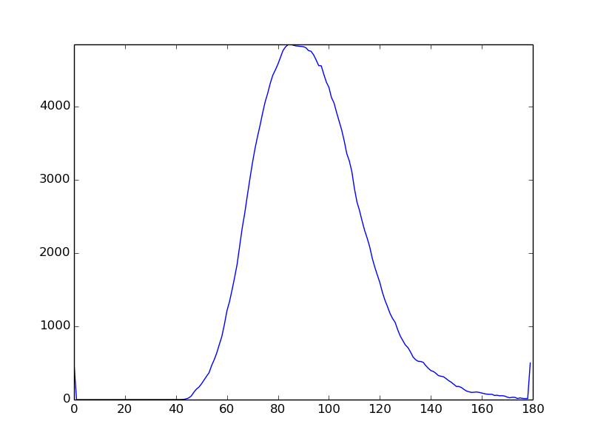 | not_drunk |  | {'y2': 939, 'angle': 9.0, 'sensetivity': 615, 'flip': False, 'x2': 359, 'y1': 794, 'x1': 46} | 2019-12-10 19:40:41.406235
3 |  | not_drunk |  | {'y2': 939, 'angle': 9.0, 'sensetivity': 615, 'flip': False, 'x2': 359, 'y1': 794, 'x1': 46} | 2019-12-10 19:40:49.185440
4 | 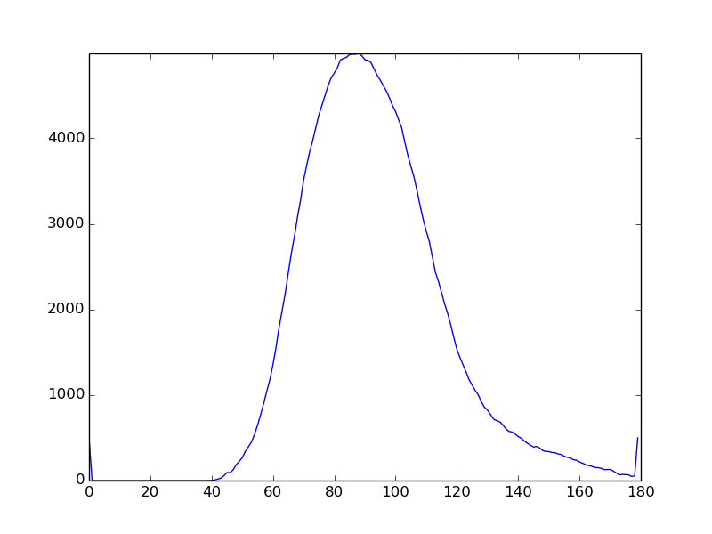 | not_drunk |  | {'y2': 939, 'angle': 9.0, 'sensetivity': 615, 'flip': False, 'x2': 359, 'y1': 794, 'x1': 46} | 2019-12-10 19:41:08.279076
5 | 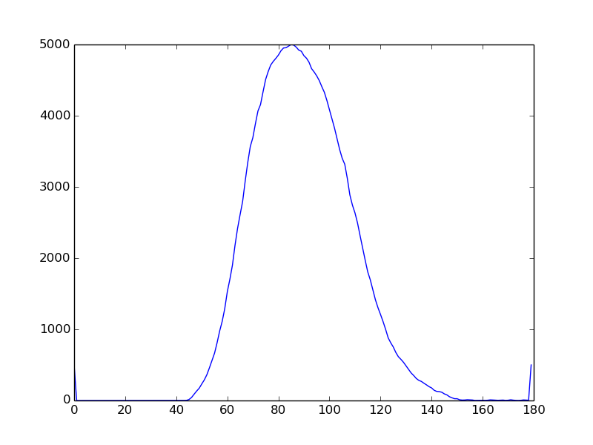 | not_drunk |  | {'y2': 939, 'angle': 9.0, 'sensetivity': 615, 'flip': False, 'x2': 359, 'y1': 794, 'x1': 46} | 2019-12-10 19:41:17.773619
6 | 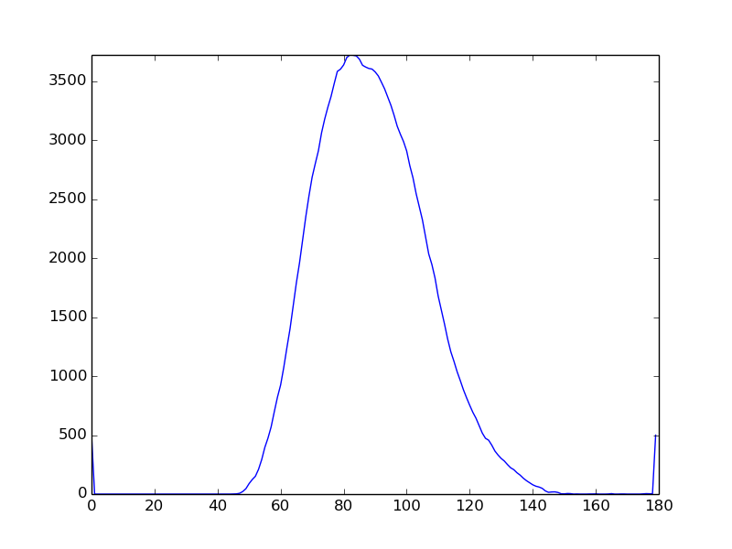 | drunk |  | {'y2': 939, 'angle': 9.0, 'sensetivity': 615, 'flip': False, 'x2': 359, 'y1': 794, 'x1': 46} | 2019-12-10 19:43:57.959136
7 | 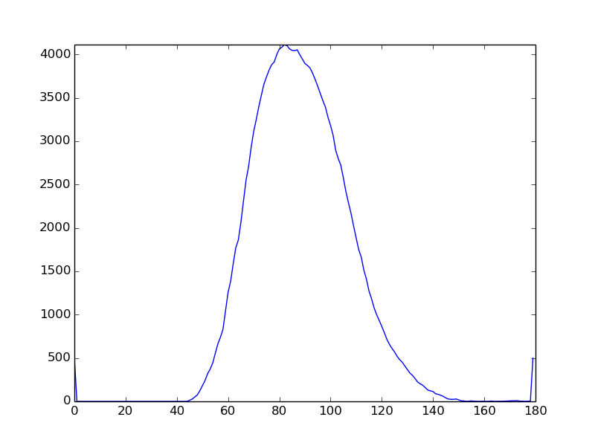 | drunk |  | {'y2': 939, 'angle': 9.0, 'sensetivity': 615, 'flip': False, 'x2': 359, 'y1': 794, 'x1': 46} | 2019-12-10 19:44:08.427280
8 | 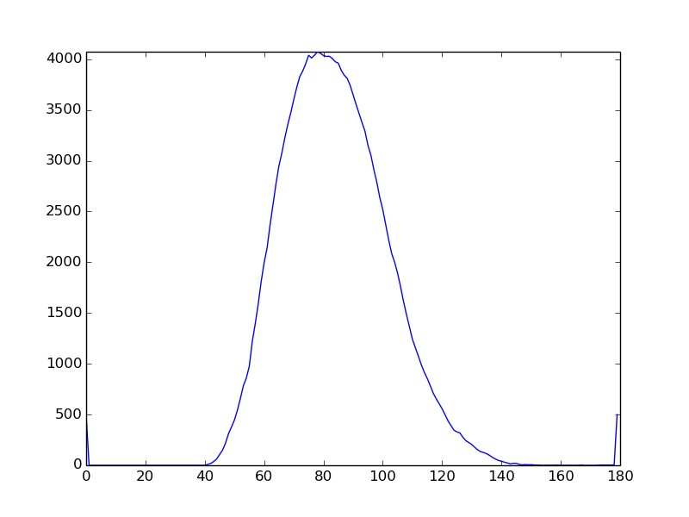 | drunk |  | {'y2': 939, 'angle': 9.0, 'sensetivity': 615, 'flip': False, 'x2': 359, 'y1': 794, 'x1': 46} | 2019-12-10 19:44:40.067013

